unique_column
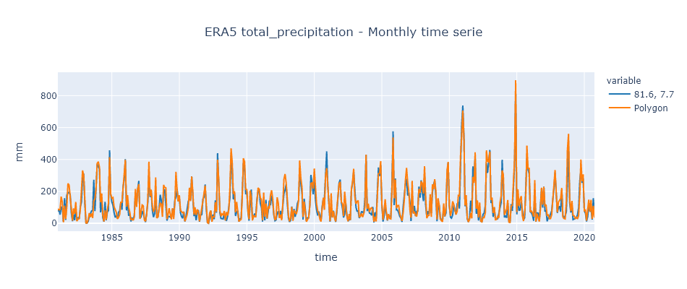
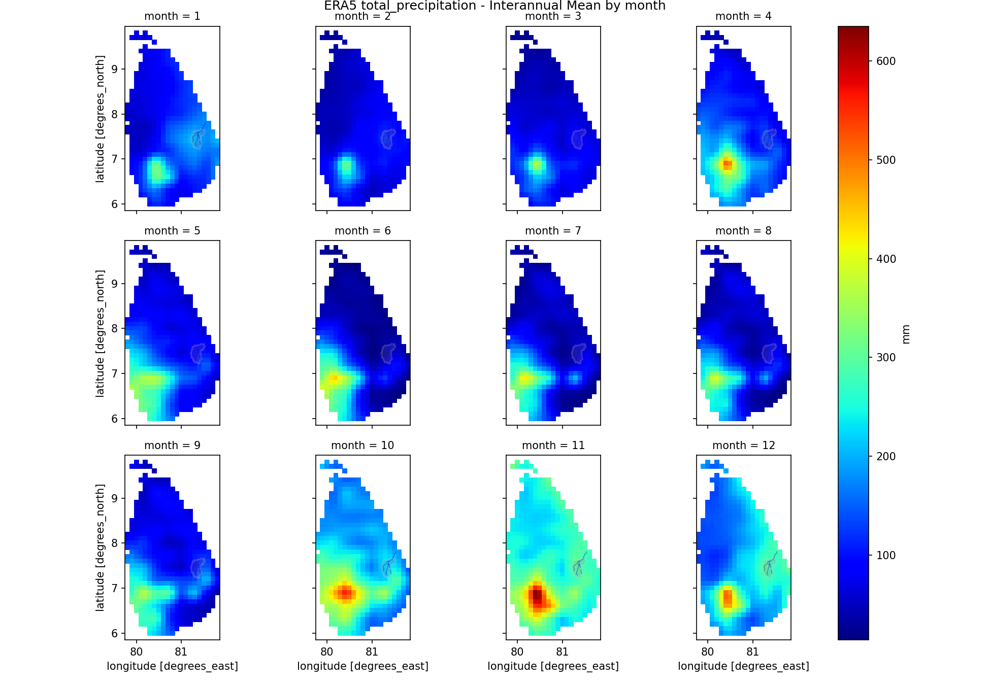
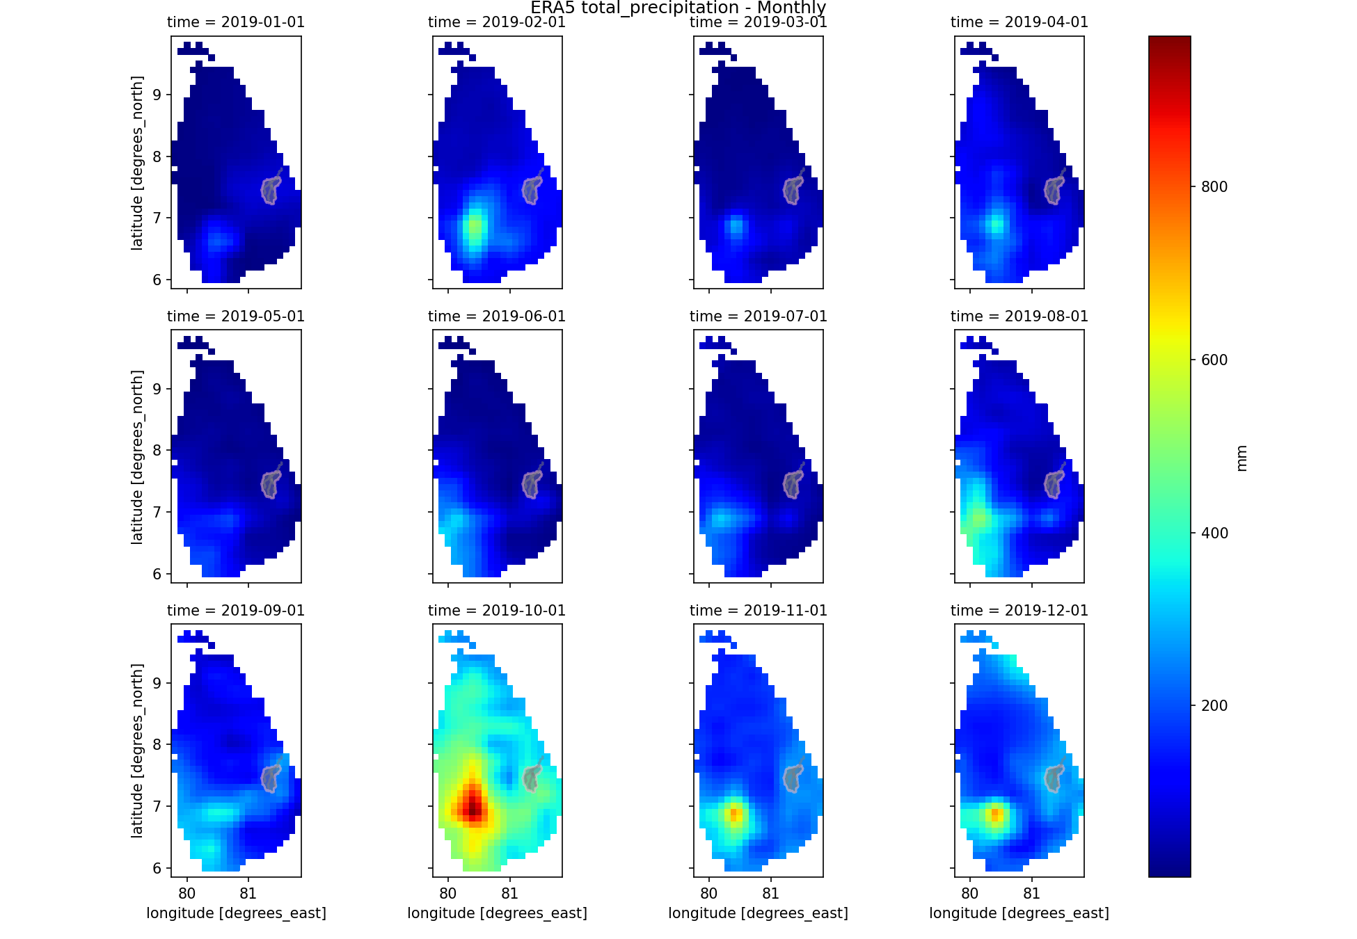
Param.= | tp
Unit= | mm

time | 81.6, 7.7 | Polygon
1981-01-01 | 74.58 | 90.64
1981-02-01 | 89.1 | 83.96
1981-03-01 | 54.3 | 85.84
1981-04-01 | 103.82 | 167.17
1981-05-01 | 95.25 | 133.46
1981-06-01 | 9.27 | 5.59
1981-07-01 | 157.32 | 110.52
1981-08-01 | 20.99 | 26.63
1981-09-01 | 177.25 | 106.14
1981-10-01 | 191.25 | 249.36
1981-11-01 | 193.89 | 240.17
1981-12-01 | 179.15 | 169.75
1982-01-01 | 64.71 | 90.99
1982-02-01 | 13.73 | 16.64
1982-03-01 | 56.31 | 93.13
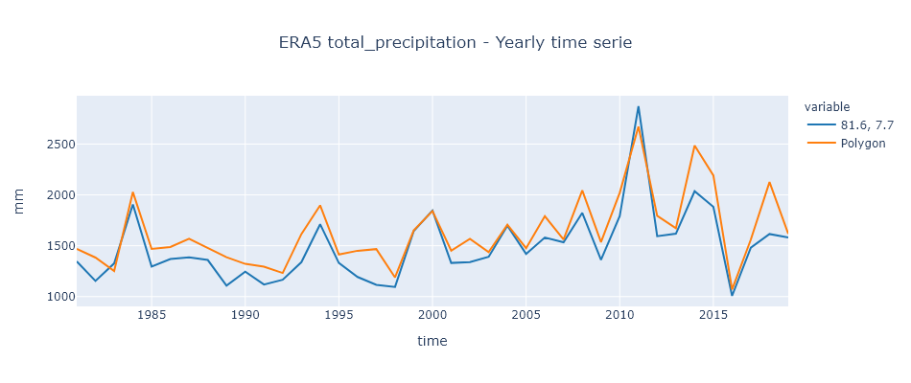
1982-04-01 | 19.34 | 59.42
1982-05-01 | 89.31 | 133.98
1982-06-01 | 17.1 | 13.45
1982-07-01 | 36.57 | 26.82
1982-08-01 | 27.85 | 28.71
1982-09-01 | 103.29 | 87.03
1982-10-01 | 130.41 | 201.44
1982-11-01 | 283.81 | 331.22
1982-12-01 | 311.63 | 300.9
1983-01-01 | 121.93 | 141.48
1983-02-01 | 1.82 | 1.92
1983-03-01 | 1.4 | 1.35
1983-04-01 | 11.28 | 22.33
1983-05-01 | 41.42 | 63.67
1983-06-01 | 61.43 | 39.3
1983-07-01 | 77.2 | 61.22
1983-08-01 | 80.67 | 33.17
1983-09-01 | 272.4 | 140.27
1983-10-01 | 75.97 | 153.35
1983-11-01 | 210.76 | 217.51
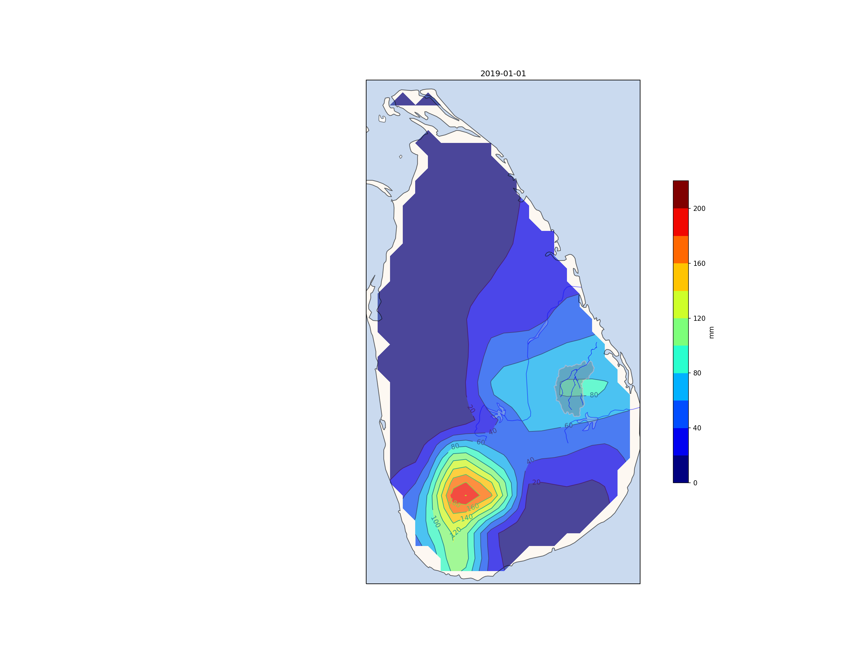
1983-12-01 | 369.92 | 375.38
1984-01-01 | 356.58 | 385.9
1984-02-01 | 339.28 | 351.35
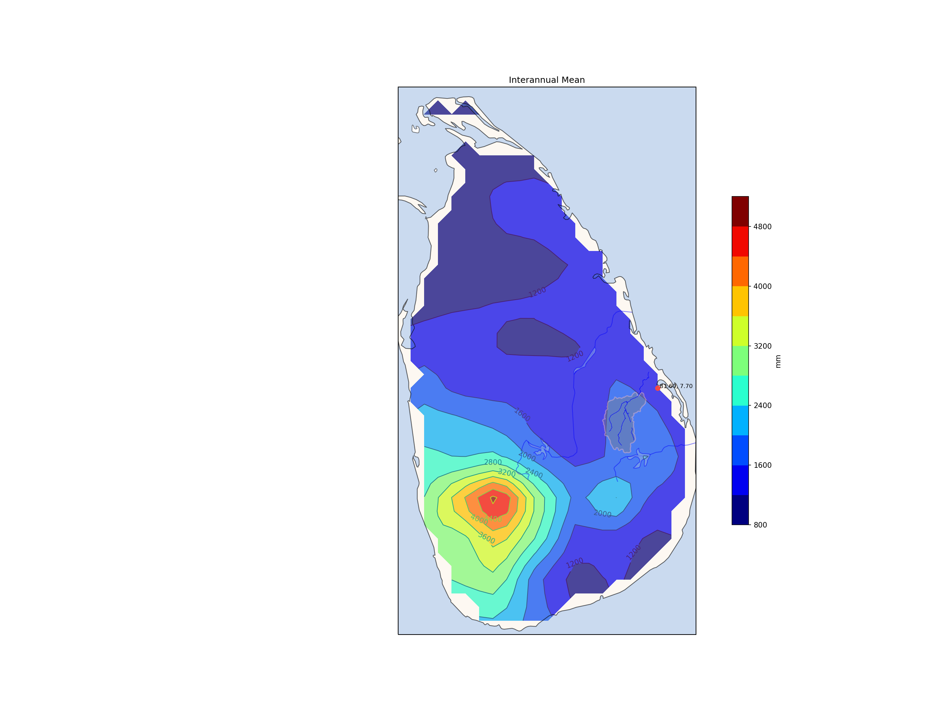
1984-03-01 | 67.95 | 131.72
1984-04-01 | 154.11 | 186.48
1984-05-01 | 35.18 | 51.45 | http://www.meteo.gov.lk/index.php?option=com_content&view=article&id=94&Itemid=310&lang=en&lang=en
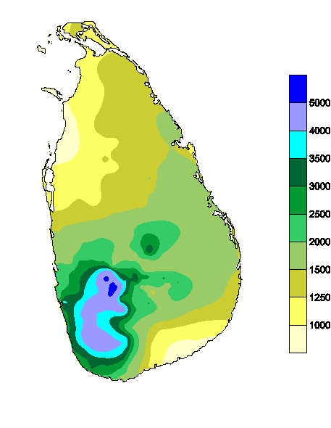
1984-06-01 | 10.16 | 11.33
1984-07-01 | 134.73 | 81.03
1984-08-01 | 19.06 | 21.7
1984-09-01 | 70.16 | 83.53
1984-10-01 | 79.9 | 125.74
1984-11-01 | 457.69 | 414.57
1984-12-01 | 181.92 | 183.22
1985-01-01 | 133.96 | 156.3
1985-02-01 | 111.73 | 161.47
1985-03-01 | 69.26 | 105.22
1985-04-01 | 36.95 | 81.82
1985-05-01 | 46.05 | 69.33
1985-06-01 | 30.16 | 27.36
1985-07-01 | 68.88 | 36.08
1985-08-01 | 78.21 | 54.83
1985-09-01 | 134.12 | 131.04
1985-10-01 | 84.92 | 131.11
1985-11-01 | 229.19 | 225.39
1985-12-01 | 272.15 | 288.26
1986-01-01 | 402.23 | 397.94
1986-02-01 | 80.32 | 104.76
1986-03-01 | 139.59 | 176.51
1986-04-01 | 47.1 | 98.6
1986-05-01 | 58.7 | 69.06
1986-06-01 | 11.8 | 21.03
1986-07-01 | 35.64 | 27.69
1986-08-01 | 20.53 | 18.78
1986-09-01 | 50.09 | 38.64
1986-10-01 | 195.57 | 215.22
1986-11-01 | 114.79 | 102.66
1986-12-01 | 213.62 | 216.44
1987-01-01 | 265.9 | 245.5
1987-02-01 | 33.44 | 27.18
1987-03-01 | 39.03 | 67.64
1987-04-01 | 77.47 | 115.01
1987-05-01 | 59.93 | 109.63
1987-06-01 | 29.86 | 19.5
1987-07-01 | 7.42 | 12.79
1987-08-01 | 65.02 | 53.32
1987-09-01 | 130.53 | 150.23
1987-10-01 | 302.68 | 386.4
1987-11-01 | 165.23 | 170.04
1987-12-01 | 209.68 | 210.7
1988-01-01 | 83.53 | 111.82
1988-02-01 | 38.39 | 71.87
1988-03-01 | 57.93 | 89.55
1988-04-01 | 199.34 | 288.03
1988-05-01 | 39.26 | 32.98
1988-06-01 | 40.31 | 39.53
1988-07-01 | 91.32 | 89.04
1988-08-01 | 178.92 | 127.7
1988-09-01 | 142.92 | 119.25
1988-10-01 | 67.02 | 40.6
1988-11-01 | 211.58 | 240.55
1988-12-01 | 209.14 | 224.3
1989-01-01 | 129.25 | 222.95
1989-02-01 | 16.59 | 26.05
1989-03-01 | 41.04 | 52.98
1989-04-01 | 43.07 | 94.57
1989-05-01 | 37.95 | 55.66
1989-06-01 | 38.74 | 24.27
1989-07-01 | 89.7 | 94.99
1989-08-01 | 49.06 | 26.35
1989-09-01 | 146.58 | 119.99
1989-10-01 | 160.56 | 322.61
1989-11-01 | 216.35 | 209.49
1989-12-01 | 138.12 | 137.16
1990-01-01 | 158.17 | 175.78
1990-02-01 | 65.48 | 82.35
1990-03-01 | 42.66 | 73.14
1990-04-01 | 31.21 | 65.53
1990-05-01 | 72.58 | 71.24
1990-06-01 | 11.28 | 12.56
1990-07-01 | 43.43 | 32.96
1990-08-01 | 89.77 | 55.3
1990-09-01 | 138.37 | 98.25
1990-10-01 | 149.92 | 222.88
1990-11-01 | 148.59 | 138.6
1990-12-01 | 294.28 | 293.06
1991-01-01 | 161.33 | 197.23
1991-02-01 | 45.15 | 53.78
1991-03-01 | 67.1 | 100.27
1991-04-01 | 18.74 | 52.18
1991-05-01 | 66.18 | 86.84
1991-06-01 | 82.62 | 72.2
1991-07-01 | 9.65 | 11.74
1991-08-01 | 52.76 | 49.33
1991-09-01 | 54.56 | 97.19
1991-10-01 | 152.39 | 141.16
1991-11-01 | 164.64 | 194.6
1991-12-01 | 243.23 | 236.72
1992-01-01 | 88.54 | 114.45
1992-02-01 | 3.55 | 4.03
1992-03-01 | 0.17 | 0.2
1992-04-01 | 30.83 | 65.28
1992-05-01 | 79.36 | 79.58
1992-06-01 | 14.04 | 10.07
1992-07-01 | 54.61 | 40.85
1992-08-01 | 25.92 | 39.96
1992-09-01 | 144.11 | 131.21
1992-10-01 | 66.25 | 71.74
1992-11-01 | 439.18 | 398.79
1992-12-01 | 218.55 | 275.62
1993-01-01 | 66.18 | 82.21
1993-02-01 | 30.1 | 43.54
1993-03-01 | 28.01 | 58.89
1993-04-01 | 27.1 | 51.65
1993-05-01 | 68.95 | 76.98
1993-06-01 | 21.21 | 17.44
1993-07-01 | 18.37 | 70.57
1993-08-01 | 45.9 | 48.55
1993-09-01 | 102.7 | 85.88
1993-10-01 | 160.79 | 225.45
1993-11-01 | 426.87 | 469.41
1993-12-01 | 342.47 | 384.54
1994-01-01 | 149.69 | 183.5
1994-02-01 | 191.27 | 200.33
1994-03-01 | 45.66 | 68.5
1994-04-01 | 71.5 | 134.45
1994-05-01 | 78.59 | 72.91
1994-06-01 | 10.98 | 11.68
1994-07-01 | 27.77 | 18.91
1994-08-01 | 33.63 | 24.83
1994-09-01 | 194.79 | 176.37
1994-10-01 | 377.87 | 407.54
1994-11-01 | 347.62 | 385.49
1994-12-01 | 182.08 | 212.92
1995-01-01 | 200.51 | 211.14
1995-02-01 | 67.09 | 76.75
1995-03-01 | 16.28 | 24.94
1995-04-01 | 98.07 | 205.2
1995-05-01 | 211.53 | 162.9
1995-06-01 | 22.25 | 17.87
1995-07-01 | 42.43 | 46.92
1995-08-01 | 61.01 | 41.58
1995-09-01 | 47.62 | 41.07
1995-10-01 | 147.61 | 148.94
1995-11-01 | 201.13 | 222.19
1995-12-01 | 214.77 | 213.81
1996-01-01 | 125.17 | 160.67
1996-02-01 | 98.48 | 148.42
1996-03-01 | 10.81 | 18.31
1996-04-01 | 125.53 | 192.04
1996-05-01 | 18.52 | 40.77
1996-06-01 | 146.58 | 124.88
1996-07-01 | 28.39 | 29.85
1996-08-01 | 74.04 | 105.74
1996-09-01 | 142.7 | 92.42
1996-10-01 | 113.37 | 175.15
1996-11-01 | 174.11 | 207.07
1996-12-01 | 135.04 | 155.42
1997-01-01 | 51.37 | 60.37
1997-02-01 | 16.17 | 20.8
1997-03-01 | 20.99 | 28.1
1997-04-01 | 61.5 | 162.95
1997-05-01 | 75.58 | 128.07
1997-06-01 | 36.51 | 32.91
1997-07-01 | 77.98 | 53.08
1997-08-01 | 28.08 | 19.33
1997-09-01 | 109.19 | 122.52
1997-10-01 | 184.62 | 277.1
1997-11-01 | 209.56 | 308.99
1997-12-01 | 244.31 | 253.01
1998-01-01 | 121.16 | 147.98
1998-02-01 | 31.15 | 46.73
1998-03-01 | 8.96 | 11.97
1998-04-01 | 18.37 | 34.14
1998-05-01 | 105.35 | 103.18
1998-06-01 | 19.94 | 15.36
1998-07-01 | 89.7 | 82.25
1998-08-01 | 41.04 | 67.09
1998-09-01 | 73.3 | 57.05
1998-10-01 | 125.09 | 85.34
1998-11-01 | 143.29 | 143.29
1998-12-01 | 317.87 | 394.03
1999-01-01 | 251.94 | 283.8
1999-02-01 | 188.9 | 228.27
1999-03-01 | 23.3 | 40.22
1999-04-01 | 154.26 | 135.21
1999-05-01 | 92.16 | 65.61
1999-06-01 | 12.92 | 10.21
1999-07-01 | 34.33 | 22.36
1999-08-01 | 34.56 | 37.28
1999-09-01 | 113 | 107.76
1999-10-01 | 303.07 | 250.13
1999-11-01 | 254.26 | 253.53
1999-12-01 | 181.77 | 216.56
2000-01-01 | 286.33 | 343.06
2000-02-01 | 144 | 209.41
2000-03-01 | 85.15 | 123.51
2000-04-01 | 48.89 | 78.78
2000-05-01 | 73.58 | 61.65
2000-06-01 | 38.07 | 24.69
2000-07-01 | 17.21 | 11.13
2000-08-01 | 106.74 | 95.42
2000-09-01 | 152.77 | 160.93
2000-10-01 | 158.64 | 84.74
2000-11-01 | 284.49 | 302.2
2000-12-01 | 451.2 | 345.66
2001-01-01 | 231.12 | 243.68
2001-02-01 | 82.97 | 106.64
2001-03-01 | 10.19 | 13.23
2001-04-01 | 93.82 | 188.26
2001-05-01 | 38.18 | 35.67
2001-06-01 | 78.52 | 74.9
2001-07-01 | 44.74 | 33.52
2001-08-01 | 8.26 | 11.24
2001-09-01 | 70.01 | 87.66
2001-10-01 | 146.07 | 151.21
2001-11-01 | 252.99 | 246.72
2001-12-01 | 273.84 | 259.01
2002-01-01 | 131.41 | 135.48
2002-02-01 | 92.65 | 119.93
2002-03-01 | 36.33 | 44.78
2002-04-01 | 56.58 | 198.37
2002-05-01 | 124.55 | 116.01
2002-06-01 | 52.55 | 41.51
2002-07-01 | 13.51 | 12.15
2002-08-01 | 22.61 | 58.75
2002-09-01 | 24.04 | 20.3
2002-10-01 | 210.22 | 216.12
2002-11-01 | 248.89 | 263.6
2002-12-01 | 325.12 | 341.63
2003-01-01 | 188.48 | 166.53
2003-02-01 | 100.94 | 122.03
2003-03-01 | 76.43 | 136
2003-04-01 | 77.55 | 142.97
2003-05-01 | 32.86 | 40.74
2003-06-01 | 47.7 | 42.9
2003-07-01 | 72.35 | 61.36
2003-08-01 | 71.42 | 39.13
2003-09-01 | 60.68 | 61.11
2003-10-01 | 156.94 | 102.1
2003-11-01 | 429.41 | 430.63
2003-12-01 | 76.51 | 91.05
2004-01-01 | 104.58 | 122.95
2004-02-01 | 63.71 | 69.94
2004-03-01 | 61.7 | 92.9
2004-04-01 | 49.64 | 97.63
2004-05-01 | 103.04 | 79.17
2004-06-01 | 5.39 | 10.25
2004-07-01 | 68.64 | 41.11
2004-08-01 | 29.86 | 11.5
2004-09-01 | 199.04 | 167.92
2004-10-01 | 349.95 | 310.13
2004-11-01 | 295.83 | 314.77
2004-12-01 | 365.45 | 389.54
2005-01-01 | 117.23 | 123.36
2005-02-01 | 10.81 | 22.49
2005-03-01 | 41.96 | 74.99
2005-04-01 | 106.43 | 150.59
2005-05-01 | 69.18 | 74.86
2005-06-01 | 17.03 | 19.08
2005-07-01 | 48.36 | 58.31
2005-08-01 | 42.97 | 29.53
2005-09-01 | 40.83 | 27.34
2005-10-01 | 235.36 | 200.91
2005-11-01 | 576.64 | 538.14
2005-12-01 | 113.06 | 156.4
2006-01-01 | 280.4 | 274.11
2006-02-01 | 83.87 | 94.79
2006-03-01 | 83.22 | 111.27
2006-04-01 | 66.73 | 111.66
2006-05-01 | 42.89 | 61.37
2006-06-01 | 33 | 32.57
2006-07-01 | 8.57 | 14.91
2006-08-01 | 105.97 | 65.86
2006-09-01 | 179.04 | 149.21
2006-10-01 | 244.31 | 269.45
2006-11-01 | 277.99 | 347.05
2006-12-01 | 174.44 | 257.74
2007-01-01 | 189.25 | 199.62
2007-02-01 | 128.17 | 79.58
2007-03-01 | 13.97 | 34.62
2007-04-01 | 173.44 | 265.99
2007-05-01 | 65.1 | 60.72
2007-06-01 | 108.89 | 73.69
2007-07-01 | 44.97 | 50.76
2007-08-01 | 74.5 | 42.78
2007-09-01 | 76.95 | 85.93
2007-10-01 | 229.5 | 214.76
2007-11-01 | 160.23 | 190.62
2007-12-01 | 269.21 | 262.96
2008-01-01 | 190.64 | 250.97
2008-02-01 | 138.59 | 185.89
2008-03-01 | 305.84 | 358.12
2008-04-01 | 112.03 | 164.96
2008-05-01 | 40.73 | 31.9
2008-06-01 | 75.46 | 47.31
2008-07-01 | 58.7 | 49.58
2008-08-01 | 134.5 | 181.7
2008-09-01 | 63.82 | 40.28
2008-10-01 | 193.72 | 244.32
2008-11-01 | 242.77 | 213.78
2008-12-01 | 266.75 | 275.65
2009-01-01 | 174.91 | 205.02
2009-02-01 | 13.18 | 24.02
2009-03-01 | 83.06 | 157.32
2009-04-01 | 115.61 | 116.96
2009-05-01 | 37.26 | 27.07
2009-06-01 | 18.3 | 16.99
2009-07-01 | 15.9 | 9.88
2009-08-01 | 102.73 | 124.5
2009-09-01 | 43.3 | 43.73
2009-10-01 | 63.71 | 92.29
2009-11-01 | 311.87 | 333.21
2009-12-01 | 381.49 | 384.4
2010-01-01 | 111.44 | 110.42
2010-02-01 | 37.62 | 46.07
2010-03-01 | 32.09 | 76.48
2010-04-01 | 52.18 | 137.45
2010-05-01 | 112.29 | 118.82
2010-06-01 | 85.38 | 84.36
2010-07-01 | 54.92 | 54.35
2010-08-01 | 122.55 | 74.92
2010-09-01 | 128.15 | 174.11
2010-10-01 | 92.4 | 172.05
2010-11-01 | 343.96 | 428.01
2010-12-01 | 618.84 | 543.63
2011-01-01 | 738.52 | 706
2011-02-01 | 541.54 | 529.9
2011-03-01 | 106.82 | 111.75
2011-04-01 | 139.64 | 176.86
2011-05-01 | 27.54 | 32.92
2011-06-01 | 8.15 | 8
2011-07-01 | 36.26 | 23.28
2011-08-01 | 141.9 | 63.98
2011-09-01 | 72.7 | 30.78
2011-10-01 | 356.74 | 290.6
2011-11-01 | 283.59 | 253.16
2011-12-01 | 418.04 | 445.1
2012-01-01 | 59.78 | 90.78
2012-02-01 | 91.7 | 142.96
2012-03-01 | 17.6 | 36.76
2012-04-01 | 79.27 | 130.24
2012-05-01 | 12.51 | 14.26
2012-06-01 | 10.24 | 8.99
2012-07-01 | 56.38 | 37.58
2012-08-01 | 63.94 | 35.38
2012-09-01 | 111.8 | 66.28
2012-10-01 | 376.71 | 457.34
2012-11-01 | 315.98 | 388.67
2012-12-01 | 397.92 | 385.04
2013-01-01 | 459.22 | 449.05
2013-02-01 | 131.72 | 145.98
2013-03-01 | 133.42 | 160.85
2013-04-01 | 40.24 | 64.3
2013-05-01 | 100.34 | 101.25
2013-06-01 | 23.3 | 22.14
2013-07-01 | 29.24 | 23.84
2013-08-01 | 28.39 | 42.06
2013-09-01 | 57.18 | 33.84
2013-10-01 | 89.23 | 127.27
2013-11-01 | 127.62 | 170.09
2013-12-01 | 398.84 | 331.47
2014-01-01 | 188.86 | 304.31
2014-02-01 | 36.58 | 52.32
2014-03-01 | 48.21 | 70.2
2014-04-01 | 34.34 | 88.53
2014-05-01 | 126.56 | 145.63
2014-06-01 | 10.01 | 7.18
2014-07-01 | 5.18 | 5.7
2014-08-01 | 119.92 | 107.65
2014-09-01 | 77.55 | 112.41
2014-10-01 | 192.87 | 290.9
2014-11-01 | 365.68 | 403.35
2014-12-01 | 830.21 | 896.97
2015-01-01 | 55.69 | 69.96
2015-02-01 | 144.19 | 212.69
2015-03-01 | 81.45 | 106.82
2015-04-01 | 83.52 | 152.06
2015-05-01 | 135.04 | 170.54
2015-06-01 | 77.62 | 46.26
2015-07-01 | 21.53 | 13.93
2015-08-01 | 33.94 | 66.77
2015-09-01 | 193.22 | 177.77
2015-10-01 | 408.79 | 487
2015-11-01 | 336.8 | 341.02
2015-12-01 | 310.62 | 346.99
2016-01-01 | 72.5 | 70.85
2016-02-01 | 65.23 | 76.87
2016-03-01 | 49.75 | 65.74
2016-04-01 | 15.76 | 41.33
2016-05-01 | 200.04 | 270.66
2016-06-01 | 9.94 | 11.07
2016-07-01 | 65.17 | 60.23
2016-08-01 | 62.94 | 34.14
2016-09-01 | 16.51 | 10.83
2016-10-01 | 132.26 | 88.27
2016-11-01 | 218.59 | 223.38
2016-12-01 | 98.33 | 116.86
2017-01-01 | 230.27 | 229.17
2017-02-01 | 73.63 | 106.01
2017-03-01 | 81.68 | 116.94
2017-04-01 | 12.33 | 45.8
2017-05-01 | 35.18 | 55.62
2017-06-01 | 38.52 | 28.94
2017-07-01 | 57.69 | 29.05
2017-08-01 | 77.67 | 53.5
2017-09-01 | 149.19 | 155.91
2017-10-01 | 215.08 | 206.49
2017-11-01 | 316.8 | 333.87
2017-12-01 | 193.26 | 198.76
2018-01-01 | 64.63 | 68.8
2018-02-01 | 97.66 | 132.46
2018-03-01 | 107.12 | 143.92
2018-04-01 | 72.33 | 155.99
2018-05-01 | 208.45 | 221.3
2018-06-01 | 49.34 | 39.34
2018-07-01 | 30.01 | 29.65
2018-08-01 | 45.82 | 27.32
2018-09-01 | 71.36 | 131.31
2018-10-01 | 257.34 | 462.04
2018-11-01 | 482.54 | 561.05
2018-12-01 | 128.48 | 152.91
2019-01-01 | 67.18 | 75.87
2019-02-01 | 110.62 | 140.01
2019-03-01 | 22.99 | 50.37
2019-04-01 | 26.88 | 46.82
2019-05-01 | 29.16 | 30.55
2019-06-01 | 36.88 | 37.63
2019-07-01 | 53.45 | 26.88
2019-08-01 | 98.8 | 49.87
2019-09-01 | 266.95 | 189
2019-10-01 | 333.45 | 399.73
2019-11-01 | 253.66 | 263.75
2019-12-01 | 281.71 | 306.81
2020-01-01 | 78.51 | 78.59
2020-02-01 | 61.84 | 82.59
2020-03-01 | 11.66 | 16.76
2020-04-01 | 40.39 | 96.6
2020-05-01 | 115.45 | 148.4
2020-06-01 | 73.3 | 71.92
2020-07-01 | 92.16 | 147.27
2020-08-01 | 22.99 | 27.2
2020-09-01 | 156.88 | 109.22
2020-10-01 | 55.92 | 34.85

81.6, 7.7_by_month
1981 | 1346.17
1982 | 1154.06
1983 | 1326.2
1984 | 1906.72
1985 | 1295.58
1986 | 1369.98
1987 | 1386.19
1988 | 1359.66
1989 | 1107.01
1990 | 1245.74
1991 | 1118.35
1992 | 1165.11
1993 | 1338.65
1994 | 1711.45
1995 | 1330.3
1996 | 1192.74
1997 | 1115.86
1998 | 1095.22
1999 | 1644.47
2000 | 1847.07
2001 | 1330.71
2002 | 1338.46
2003 | 1391.27
2004 | 1696.83
2005 | 1419.86
2006 | 1580.43
2007 | 1534.18
2008 | 1823.55
2009 | 1361.32
2010 | 1791.82
2011 | 2871.44
2012 | 1593.83
2013 | 1618.74
2014 | 2035.97
2015 | 1882.41
2016 | 1007.02
2017 | 1481.3
2018 | 1615.08
2019 | 1581.73
2020
 | 1487.4994872
Localisation= | 81.6, 7.7
Var.= | tp
Unit= | mm
YEAR | 1 | 2 | 3 | 4 | 5 | 6 | 7 | 8 | 9 | 10 | 11 | 12 | Total
1981 | 74.58 | 89.1 | 54.3 | 103.82 | 95.25 | 9.27 | 157.32 | 20.99 | 177.25 | 191.25 | 193.89 | 179.15 | 1346.17
1982 | 64.71 | 13.73 | 56.31 | 19.34 | 89.31 | 17.1 | 36.57 | 27.85 | 103.29 | 130.41 | 283.81 | 311.63 | 1154.06
1983 | 121.93 | 1.82 | 1.4 | 11.28 | 41.42 | 61.43 | 77.2 | 80.67 | 272.4 | 75.97 | 210.76 | 369.92 | 1326.2
1984 | 356.58 | 339.28 | 67.95 | 154.11 | 35.18 | 10.16 | 134.73 | 19.06 | 70.16 | 79.9 | 457.69 | 181.92 | 1906.72
1985 | 133.96 | 111.73 | 69.26 | 36.95 | 46.05 | 30.16 | 68.88 | 78.21 | 134.12 | 84.92 | 229.19 | 272.15 | 1295.58
1986 | 402.23 | 80.32 | 139.59 | 47.1 | 58.7 | 11.8 | 35.64 | 20.53 | 50.09 | 195.57 | 114.79 | 213.62 | 1369.98
1987 | 265.9 | 33.44 | 39.03 | 77.47 | 59.93 | 29.86 | 7.42 | 65.02 | 130.53 | 302.68 | 165.23 | 209.68 | 1386.19
1988 | 83.53 | 38.39 | 57.93 | 199.34 | 39.26 | 40.31 | 91.32 | 178.92 | 142.92 | 67.02 | 211.58 | 209.14 | 1359.66
1989 | 129.25 | 16.59 | 41.04 | 43.07 | 37.95 | 38.74 | 89.7 | 49.06 | 146.58 | 160.56 | 216.35 | 138.12 | 1107.01
1990 | 158.17 | 65.48 | 42.66 | 31.21 | 72.58 | 11.28 | 43.43 | 89.77 | 138.37 | 149.92 | 148.59 | 294.28 | 1245.74
1991 | 161.33 | 45.15 | 67.1 | 18.74 | 66.18 | 82.62 | 9.65 | 52.76 | 54.56 | 152.39 | 164.64 | 243.23 | 1118.35
1992 | 88.54 | 3.55 | 0.17 | 30.83 | 79.36 | 14.04 | 54.61 | 25.92 | 144.11 | 66.25 | 439.18 | 218.55 | 1165.11
1993 | 66.18 | 30.1 | 28.01 | 27.1 | 68.95 | 21.21 | 18.37 | 45.9 | 102.7 | 160.79 | 426.87 | 342.47 | 1338.65
1994 | 149.69 | 191.27 | 45.66 | 71.5 | 78.59 | 10.98 | 27.77 | 33.63 | 194.79 | 377.87 | 347.62 | 182.08 | 1711.45
1995 | 200.51 | 67.09 | 16.28 | 98.07 | 211.53 | 22.25 | 42.43 | 61.01 | 47.62 | 147.61 | 201.13 | 214.77 | 1330.3
1996 | 125.17 | 98.48 | 10.81 | 125.53 | 18.52 | 146.58 | 28.39 | 74.04 | 142.7 | 113.37 | 174.11 | 135.04 | 1192.74
1997 | 51.37 | 16.17 | 20.99 | 61.5 | 75.58 | 36.51 | 77.98 | 28.08 | 109.19 | 184.62 | 209.56 | 244.31 | 1115.86
1998 | 121.16 | 31.15 | 8.96 | 18.37 | 105.35 | 19.94 | 89.7 | 41.04 | 73.3 | 125.09 | 143.29 | 317.87 | 1095.22
1999 | 251.94 | 188.9 | 23.3 | 154.26 | 92.16 | 12.92 | 34.33 | 34.56 | 113 | 303.07 | 254.26 | 181.77 | 1644.47
2000 | 286.33 | 144 | 85.15 | 48.89 | 73.58 | 38.07 | 17.21 | 106.74 | 152.77 | 158.64 | 284.49 | 451.2 | 1847.07
2001 | 231.12 | 82.97 | 10.19 | 93.82 | 38.18 | 78.52 | 44.74 | 8.26 | 70.01 | 146.07 | 252.99 | 273.84 | 1330.71
2002 | 131.41 | 92.65 | 36.33 | 56.58 | 124.55 | 52.55 | 13.51 | 22.61 | 24.04 | 210.22 | 248.89 | 325.12 | 1338.46
2003 | 188.48 | 100.94 | 76.43 | 77.55 | 32.86 | 47.7 | 72.35 | 71.42 | 60.68 | 156.94 | 429.41 | 76.51 | 1391.27
2004 | 104.58 | 63.71 | 61.7 | 49.64 | 103.04 | 5.39 | 68.64 | 29.86 | 199.04 | 349.95 | 295.83 | 365.45 | 1696.83
2005 | 117.23 | 10.81 | 41.96 | 106.43 | 69.18 | 17.03 | 48.36 | 42.97 | 40.83 | 235.36 | 576.64 | 113.06 | 1419.86
2006 | 280.4 | 83.87 | 83.22 | 66.73 | 42.89 | 33 | 8.57 | 105.97 | 179.04 | 244.31 | 277.99 | 174.44 | 1580.43
2007 | 189.25 | 128.17 | 13.97 | 173.44 | 65.1 | 108.89 | 44.97 | 74.5 | 76.95 | 229.5 | 160.23 | 269.21 | 1534.18
2008 | 190.64 | 138.59 | 305.84 | 112.03 | 40.73 | 75.46 | 58.7 | 134.5 | 63.82 | 193.72 | 242.77 | 266.75 | 1823.55
2009 | 174.91 | 13.18 | 83.06 | 115.61 | 37.26 | 18.3 | 15.9 | 102.73 | 43.3 | 63.71 | 311.87 | 381.49 | 1361.32
2010 | 111.44 | 37.62 | 32.09 | 52.18 | 112.29 | 85.38 | 54.92 | 122.55 | 128.15 | 92.4 | 343.96 | 618.84 | 1791.82
2011 | 738.52 | 541.54 | 106.82 | 139.64 | 27.54 | 8.15 | 36.26 | 141.9 | 72.7 | 356.74 | 283.59 | 418.04 | 2871.44
2012 | 59.78 | 91.7 | 17.6 | 79.27 | 12.51 | 10.24 | 56.38 | 63.94 | 111.8 | 376.71 | 315.98 | 397.92 | 1593.83
2013 | 459.22 | 131.72 | 133.42 | 40.24 | 100.34 | 23.3 | 29.24 | 28.39 | 57.18 | 89.23 | 127.62 | 398.84 | 1618.74
2014 | 188.86 | 36.58 | 48.21 | 34.34 | 126.56 | 10.01 | 5.18 | 119.92 | 77.55 | 192.87 | 365.68 | 830.21 | 2035.97
2015 | 55.69 | 144.19 | 81.45 | 83.52 | 135.04 | 77.62 | 21.53 | 33.94 | 193.22 | 408.79 | 336.8 | 310.62 | 1882.41
2016 | 72.5 | 65.23 | 49.75 | 15.76 | 200.04 | 9.94 | 65.17 | 62.94 | 16.51 | 132.26 | 218.59 | 98.33 | 1007.02
2017 | 230.27 | 73.63 | 81.68 | 12.33 | 35.18 | 38.52 | 57.69 | 77.67 | 149.19 | 215.08 | 316.8 | 193.26 | 1481.3
2018 | 64.63 | 97.66 | 107.12 | 72.33 | 208.45 | 49.34 | 30.01 | 45.82 | 71.36 | 257.34 | 482.54 | 128.48 | 1615.08
2019 | 67.18 | 110.62 | 22.99 | 26.88 | 29.16 | 36.88 | 53.45 | 98.8 | 266.95 | 333.45 | 253.66 | 281.71 | 1581.73
2020 | 78.51 | 61.84 | 11.66 | 40.39 | 115.45 | 73.3 | 92.16 | 22.99 | 156.88 | 55.92
 | 175.7 | 92.8 | 57.0 | 70.7 | 77.5 | 38.1 | 50.5 | 63.6 | 114.0 | 189.2 | 274.8 | 277.8 | 1487.5

Polygon_by_month
1981 | 1469.23
1982 | 1383.73
1983 | 1250.95
1984 | 2028.02
1985 | 1468.21
1986 | 1487.33
1987 | 1567.94
1988 | 1475.22
1989 | 1387.07
1990 | 1321.65
1991 | 1293.24
1992 | 1231.78
1993 | 1615.11
1994 | 1897.43
1995 | 1413.31
1996 | 1450.74
1997 | 1467.23
1998 | 1188.41
1999 | 1650.94
2000 | 1841.18
2001 | 1451.74
2002 | 1568.63
2003 | 1436.55
2004 | 1707.81
2005 | 1476
2006 | 1789.99
2007 | 1562.03
2008 | 2044.46
2009 | 1535.39
2010 | 2020.67
2011 | 2672.33
2012 | 1794.28
2013 | 1672.14
2014 | 2485.15
2015 | 2191.81
2016 | 1070.23
2017 | 1560.06
2018 | 2126.09
2019 | 1617.29
2020 | 813.4
Localisation= | Polygon
Var.= | tp
Unit= | mm
YEAR | 1 | 2 | 3 | 4 | 5 | 6 | 7 | 8 | 9 | 10 | 11 | 12 | Total
1981 | 90.64 | 83.96 | 85.84 | 167.17 | 133.46 | 5.59 | 110.52 | 26.63 | 106.14 | 249.36 | 240.17 | 169.75 | 1469.23
1982 | 90.99 | 16.64 | 93.13 | 59.42 | 133.98 | 13.45 | 26.82 | 28.71 | 87.03 | 201.44 | 331.22 | 300.9 | 1383.73
1983 | 141.48 | 1.92 | 1.35 | 22.33 | 63.67 | 39.3 | 61.22 | 33.17 | 140.27 | 153.35 | 217.51 | 375.38 | 1250.95
1984 | 385.9 | 351.35 | 131.72 | 186.48 | 51.45 | 11.33 | 81.03 | 21.7 | 83.53 | 125.74 | 414.57 | 183.22 | 2028.02
1985 | 156.3 | 161.47 | 105.22 | 81.82 | 69.33 | 27.36 | 36.08 | 54.83 | 131.04 | 131.11 | 225.39 | 288.26 | 1468.21
1986 | 397.94 | 104.76 | 176.51 | 98.6 | 69.06 | 21.03 | 27.69 | 18.78 | 38.64 | 215.22 | 102.66 | 216.44 | 1487.33
1987 | 245.5 | 27.18 | 67.64 | 115.01 | 109.63 | 19.5 | 12.79 | 53.32 | 150.23 | 386.4 | 170.04 | 210.7 | 1567.94
1988 | 111.82 | 71.87 | 89.55 | 288.03 | 32.98 | 39.53 | 89.04 | 127.7 | 119.25 | 40.6 | 240.55 | 224.3 | 1475.22
1989 | 222.95 | 26.05 | 52.98 | 94.57 | 55.66 | 24.27 | 94.99 | 26.35 | 119.99 | 322.61 | 209.49 | 137.16 | 1387.07
1990 | 175.78 | 82.35 | 73.14 | 65.53 | 71.24 | 12.56 | 32.96 | 55.3 | 98.25 | 222.88 | 138.6 | 293.06 | 1321.65
1991 | 197.23 | 53.78 | 100.27 | 52.18 | 86.84 | 72.2 | 11.74 | 49.33 | 97.19 | 141.16 | 194.6 | 236.72 | 1293.24
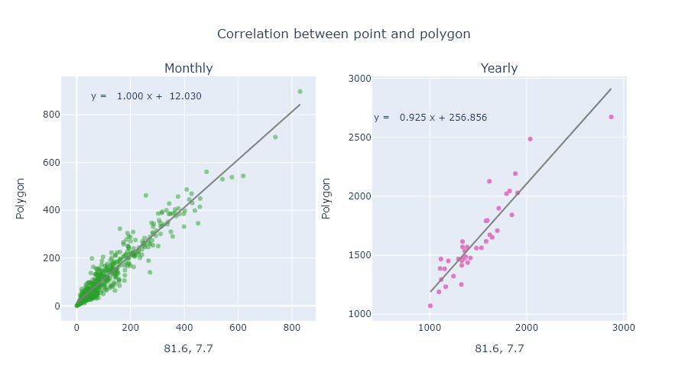
1992 | 114.45 | 4.03 | 0.2 | 65.28 | 79.58 | 10.07 | 40.85 | 39.96 | 131.21 | 71.74 | 398.79 | 275.62 | 1231.78
1993 | 82.21 | 43.54 | 58.89 | 51.65 | 76.98 | 17.44 | 70.57 | 48.55 | 85.88 | 225.45 | 469.41 | 384.54 | 1615.11
1994 | 183.5 | 200.33 | 68.5 | 134.45 | 72.91 | 11.68 | 18.91 | 24.83 | 176.37 | 407.54 | 385.49 | 212.92 | 1897.43
1995 | 211.14 | 76.75 | 24.94 | 205.2 | 162.9 | 17.87 | 46.92 | 41.58 | 41.07 | 148.94 | 222.19 | 213.81 | 1413.31
1996 | 160.67 | 148.42 | 18.31 | 192.04 | 40.77 | 124.88 | 29.85 | 105.74 | 92.42 | 175.15 | 207.07 | 155.42 | 1450.74
1997 | 60.37 | 20.8 | 28.1 | 162.95 | 128.07 | 32.91 | 53.08 | 19.33 | 122.52 | 277.1 | 308.99 | 253.01 | 1467.23
1998 | 147.98 | 46.73 | 11.97 | 34.14 | 103.18 | 15.36 | 82.25 | 67.09 | 57.05 | 85.34 | 143.29 | 394.03 | 1188.41
1999 | 283.8 | 228.27 | 40.22 | 135.21 | 65.61 | 10.21 | 22.36 | 37.28 | 107.76 | 250.13 | 253.53 | 216.56 | 1650.94
2000 | 343.06 | 209.41 | 123.51 | 78.78 | 61.65 | 24.69 | 11.13 | 95.42 | 160.93 | 84.74 | 302.2 | 345.66 | 1841.18
2001 | 243.68 | 106.64 | 13.23 | 188.26 | 35.67 | 74.9 | 33.52 | 11.24 | 87.66 | 151.21 | 246.72 | 259.01 | 1451.74
2002 | 135.48 | 119.93 | 44.78 | 198.37 | 116.01 | 41.51 | 12.15 | 58.75 | 20.3 | 216.12 | 263.6 | 341.63 | 1568.63
2003 | 166.53 | 122.03 | 136 | 142.97 | 40.74 | 42.9 | 61.36 | 39.13 | 61.11 | 102.1 | 430.63 | 91.05 | 1436.55
2004 | 122.95 | 69.94 | 92.9 | 97.63 | 79.17 | 10.25 | 41.11 | 11.5 | 167.92 | 310.13 | 314.77 | 389.54 | 1707.81
2005 | 123.36 | 22.49 | 74.99 | 150.59 | 74.86 | 19.08 | 58.31 | 29.53 | 27.34 | 200.91 | 538.14 | 156.4 | 1476
2006 | 274.11 | 94.79 | 111.27 | 111.66 | 61.37 | 32.57 | 14.91 | 65.86 | 149.21 | 269.45 | 347.05 | 257.74 | 1789.99
2007 | 199.62 | 79.58 | 34.62 | 265.99 | 60.72 | 73.69 | 50.76 | 42.78 | 85.93 | 214.76 | 190.62 | 262.96 | 1562.03
2008 | 250.97 | 185.89 | 358.12 | 164.96 | 31.9 | 47.31 | 49.58 | 181.7 | 40.28 | 244.32 | 213.78 | 275.65 | 2044.46
2009 | 205.02 | 24.02 | 157.32 | 116.96 | 27.07 | 16.99 | 9.88 | 124.5 | 43.73 | 92.29 | 333.21 | 384.4 | 1535.39
2010 | 110.42 | 46.07 | 76.48 | 137.45 | 118.82 | 84.36 | 54.35 | 74.92 | 174.11 | 172.05 | 428.01 | 543.63 | 2020.67
2011 | 706 | 529.9 | 111.75 | 176.86 | 32.92 | 8 | 23.28 | 63.98 | 30.78 | 290.6 | 253.16 | 445.1 | 2672.33
2012 | 90.78 | 142.96 | 36.76 | 130.24 | 14.26 | 8.99 | 37.58 | 35.38 | 66.28 | 457.34 | 388.67 | 385.04 | 1794.28
2013 | 449.05 | 145.98 | 160.85 | 64.3 | 101.25 | 22.14 | 23.84 | 42.06 | 33.84 | 127.27 | 170.09 | 331.47 | 1672.14
2014 | 304.31 | 52.32 | 70.2 | 88.53 | 145.63 | 7.18 | 5.7 | 107.65 | 112.41 | 290.9 | 403.35 | 896.97 | 2485.15
2015 | 69.96 | 212.69 | 106.82 | 152.06 | 170.54 | 46.26 | 13.93 | 66.77 | 177.77 | 487 | 341.02 | 346.99 | 2191.81
2016 | 70.85 | 76.87 | 65.74 | 41.33 | 270.66 | 11.07 | 60.23 | 34.14 | 10.83 | 88.27 | 223.38 | 116.86 | 1070.23
2017 | 229.17 | 106.01 | 116.94 | 45.8 | 55.62 | 28.94 | 29.05 | 53.5 | 155.91 | 206.49 | 333.87 | 198.76 | 1560.06
2018 | 68.8 | 132.46 | 143.92 | 155.99 | 221.3 | 39.34 | 29.65 | 27.32 | 131.31 | 462.04 | 561.05 | 152.91 | 2126.09
2019 | 75.87 | 140.01 | 50.37 | 46.82 | 30.55 | 37.63 | 26.88 | 49.87 | 189 | 399.73 | 263.75 | 306.81 | 1617.29
2020 | 78.59 | 82.59 | 16.76 | 96.6 | 148.4 | 71.92 | 147.27 | 27.2 | 109.22 | 34.85 |  |  | 813.4

